3 - U.S. & Chinese LV Chart
U.S. & Chinese Orbital-class, Solid-fuel Launch Chart

Figure 9. All U.S. and Chinese orbital-class, solid-fuel launches per year.

Year | U.S. | China - Data from "2 - Chinese Orbital-class Launches" Tab 2
1958 | 6 | 0
1959 | 0 | 0
1960 | 1 | 0
1961 | 4 | 0
1962 | 5 | 0
1963 | 7 | 0
1964 | 8 | 0
1965 | 5 | 0
1966 | 8 | 0
1967 | 8 | 0
1968 | 5 | 0
1969 | 2 | 0
1970 | 3 | 0
1971 | 5 | 0
1972 | 5 | 0
1973 | 1 | 0
1974 | 6 | 0
1975 | 3 | 0
1976 | 2 | 0 | Datawrapper Version
1977 | 1 | 0
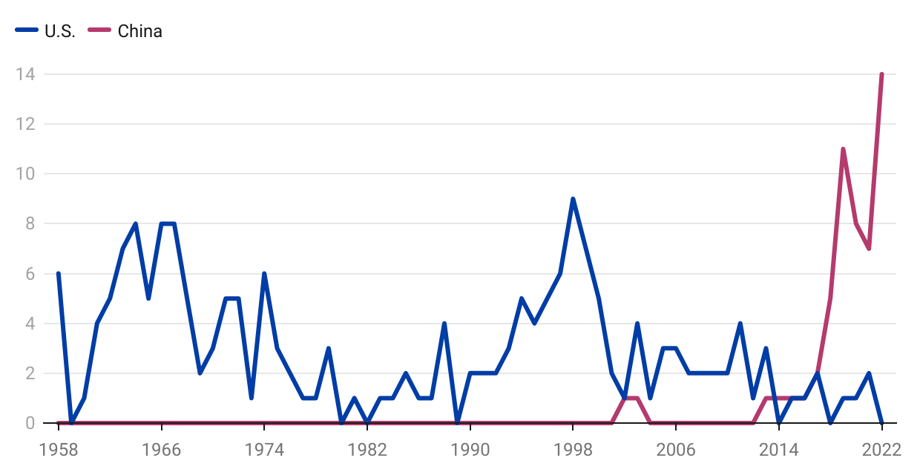
1978 | 1 | 0
1979 | 3 | 0
1980 | 0 | 0
1981 | 1 | 0
1982 | 0 | 0
1983 | 1 | 0
1984 | 1 | 0
1985 | 2 | 0
1986 | 1 | 0
1987 | 1 | 0
1988 | 4 | 0
1989 | 0 | 0
1990 | 2 | 0
1991 | 2 | 0
1992 | 2 | 0
1993 | 3 | 0
1994 | 5 | 0
1995 | 4 | 0
1996 | 5 | 0
1997 | 6 | 0
1998 | 9 | 0
1999 | 7 | 0
2000 | 5 | 0
2001 | 2 | 0
2002 | 1 | 1
2003 | 4 | 1
2004 | 1 | 0
2005 | 3 | 0
2006 | 3 | 0
2007 | 2 | 0
2008 | 2 | 0
2009 | 2 | 0
2010 | 2 | 0
2011 | 4 | 0
2012 | 1 | 0
2013 | 3 | 1
2014 | 0 | 1
2015 | 1 | 1
2016 | 1 | 1
2017 | 2 | 2
2018 | 0 | 5
2019 | 1 | 11
2020 | 1 | 8
2021 | 2 | 7
2022 | 0 | 14
 | 188 | 53

